Motor Sizing Calcs
Piston Lead Screw Initial Sizing |  |  |  |  | Lead Screw Analysis of Selected Screw |  |  |  | Torque Applied to Screw to Achieve Applied Force |  |  |  | Required Nut Length
Condition | Max Clothing Compression |  |  |  | Pre-Spec Screw Dimensions | Value | Units | Note |  | Value | Units | Note |  | Value | Units | Note
Method | initial estimate of rod size to withstand forces associated with maximum working clothing compression |  |  |  | Material | Mild Steel | - |  | Applied Force | 500 | lbf |  | Normal Reaction Force on Nut | 562.73483366 | lbf | Not breaking into component forces, using normal as a ballpark estimate/assuming overbuilt
Links |  |  |  |  | Design Max Stress | 34800 |  |  | Normal Reaction Force | 562.73483366 | lbf |  |  |  |  |  |  |  |  | Hatch Beam Dimensions |  |  |  | Required Hatch Pin Thickness
 | Value | Units | Notes |  | FS | 2 |  |  | Horizontal Component of Normal Force | 258.20629934 | lbf |  |  |  |  |  | Value | Units | Notes |  | Value | Units | Notes |  | Value | Units | Notes
State of Force | Tension | - | - |  | Thread Type | ACME | - |  | Friction Force | 106.9196184 | lbf |  |  |  |  |  | 700 | lbf |  | Plate Thickness | 0.5 | in |  | Force Applied Load | 700 | lbf
# of Lead Screws | 2 | - | - |  | Screw Major Diameter | 0.5 | in |  | Force Required to Produce Applied Load | 364.82729191 | lbf |  |  |  |  |  | 8.5 | in | Overestimate of span since design limit is 8.5. Hatch Span will be significantly less | Number of Supporting Plates | 2 | - |  | Thickness of Hatch Beams | 1
Force Applied to Screws | 500 | lbf |  |  | Screw Minor Diameter | 0.35 | in |  | Torque application required to move piston | 6.4604832942 | ft-lb |  |  |  |  |  | 350 | lbf |  | Effective Support Thickness | 1 | in |  | Max Stress of Material Used | 34800 | psi
Max Allowed Stress | 34800 | psi |  |  | Screw Mean Diameter | 0.425 | in |  | Torque application required to move piston | 1240.4127925 | oz-in |  |  |  |  |  | 1487.5 | in-lb |  | Minimum Hatch Support Height | 0.71619203743 | in |  | FS | 5
FS | 2 | - |  |  | Mean Screw Circumference | 1.3351768778 | in |  | Torque application required to move piston | 89.301193222 | kg-cm |  |  |  |  |  | 2 | - |  |  |  |  |  | Minimum Pin Diameter for Bearing Stress | 0.20114942529
Minimum diameter of lead screw pure tensile stress | 0.19127818286 | in |  |  | Minor Diameter Cross Sect. Area | 0.096211275016 |  |  | Shear Stress Induced due to Torque | 4385.2356496 | psi |  |  |  |  |  | 34800 | lb/in2 |  |  |  |  |  | Minimum Pin Diameter for Shear Stress | 0.28365431447
mean diameter of Lead Screw | 0.38 | in | ~(3/8") |  | Polar Moment of Inertia of Screw (minor dia) | 0.0014732351487 | in |  |  |  |  |  |  |  |  |  | 0.085488505747 | in3 |  |  |  |  |  | Chosen Pin Diameter | 0.375
 |  |  |  |  | Screw Pitch | 0.1 | inch/revolution
Unraveled Diameter of Screw | 1.1780972451 |  |  |  | TPI | 10 | threads/inch
Pitch at Given Diameter | 0.17 |  | From Shigleys |  | Screw Pitch Angle | 0.074756869969 | radians |  |  |  |  |  |  |  |  |  |  |  |  | Frame Pin Support Size
Pitch Angle of Screw | 0.14053843111 |  |  |  | Screw Pitch Angle | 4.2832531388 | degrees |  |  |  |  |  |  |  |  |  |  |  |  | Frame Pin Diameter
Polar Moment of Inertia of Screw (minor dia) | 0.0019414444347 |  |  |  |  |  |  |  |  |  |  |  |  |  |  |  | Value | Units | Notes |  | Value | Units | Notes
 |  |  |  |  |  |  |  |  |  |  |  |  |  |  |  |  | 0.125 | in |  | Thickness of Frame Component | 0.125 | in
 |  |  |  |  |  |  |  |  |  |  |  |  |  |  |  |  | 34800 | psi |  | Max Stress of Material Used | 34800 | psi
 |  |  |  |  | Screw Efficiency | 40% |  |  |  |  |  |  |  |  |  |  | 3 |  |  | FS | 3
ACME Thread Calculations: A Complete Guide - EngineerExcel |  |  |  |  | Chain Efficiency | 98% |  |  |  |  |  |  |  |  |  |  | 0.34482758621 | in |  | Thickness Offset from Pin Hole | 0.1724137931 | in
1 lb = 16 oz |  |  |  |  |  |  |  |  |  |  |  |  |  |  |  |  | 0.375 | in |  | Chosen Thickness | 0.25 | in
 |  |  |  |  |  |  |  |  |  |  |  |  |  |  |  |  |  |  |  | Frame Pin Reinforcement Thickness | 0.875

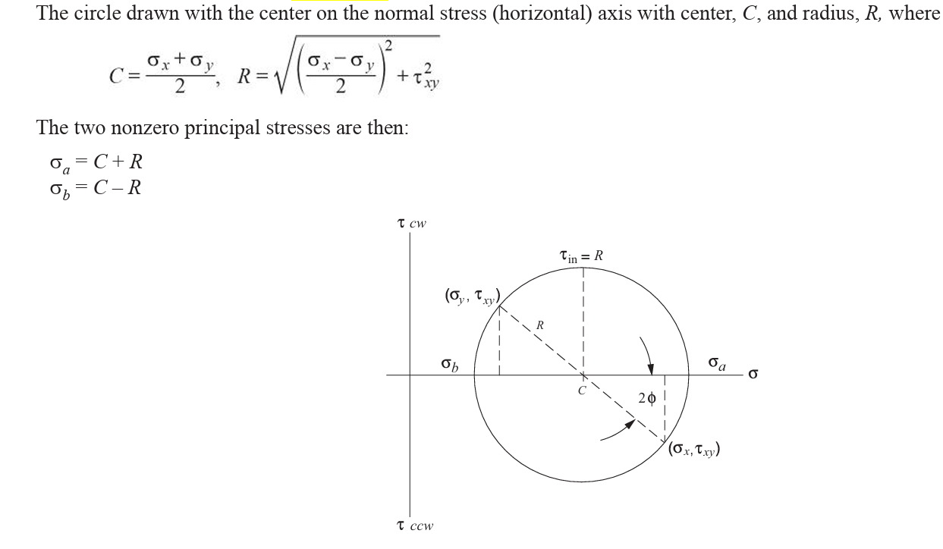
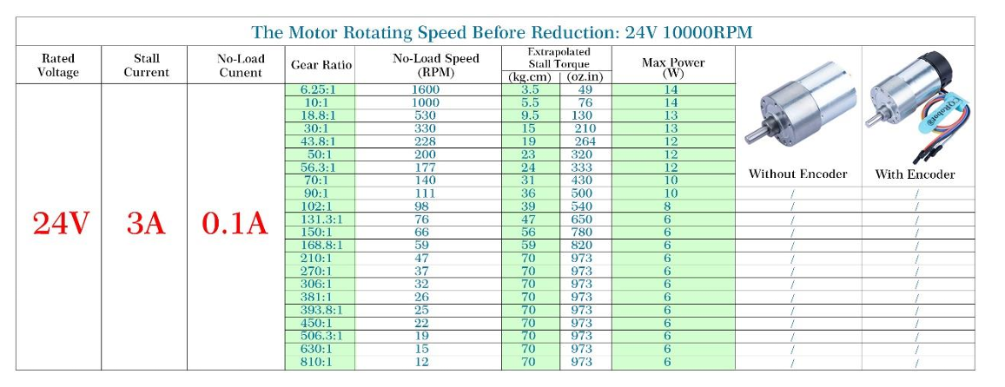
Drive Chain Assembly Mechanical Advantage and Chain Tension |  |  |  |  | Required Chain Strength
 | Value | Units | Notes |  |  | Value | Units | Notes
Required Motor Torque to Achieve Applied Force | 12.9 | ft-lb | From ACME Screw calc (x2 due to 2 acme screws) |  | Chain Working Tension | 50.31
Assumed Sprocket Size | 2.00 | in | from inventor max allowable space for given design |  | Chain Back Tension (to Prevent Slip)
Chain Tension for Applied Load | 77.4 | lb |  |  | Total Chain Tension
Driving Sprocket Size | 1.25 | in
Chain Drive Efficiency Estimate | 96%
Required Torque to Drive Chain | 8.385 | ft-lb |  |  |  |  |  | 2.1.2 Engagement with Sprockets (chain-guide.com)
Required Torque to Drive Chain | 1609.92 | oz-in
Required Torque to Drive Chain | 115.9031718 | kg-cm
Gear Ratio | 1.6

 |  |  |  |  | Motor Speed Estimate
Motor Sizing |  |  |  |  |  | Value | Units | Notes
 | Value | Units | Notes |  | Motor RPM | 19 | RPM
Required Torque to Drive Chain | 8.385 | ft-lb |  |  | Motor Gear Ratio | 1 | -
Required Torque to Drive Chain | 1609.92 | oz-in |  |  | Drive Chain Ratio | 1.6
Required Torque to Drive Chain | 115.9031718 | kg-cm |  |  | Power Screw Speed Ratio | 10 | revolutions/in
Required Torque to Drive Chain | 11.368533496 | Nm |  |  | Screw Drive Speed | 11.875 | RPM
 |  |  |  |  | Linear Speed | 1.1875 | in/min
Selected Motor Specifications
Voltage
 |  |  | 50 | rpm
 |  |  | 5.235987756 | rad/s | Watt = 0.105*Nm*rpm
 |  |  | 11.368533496 | Nm
 |  |  | 59.525502191 | watts | 107.43264154

 |  |  | 24 | Volts
 |  |  | 2.480229258 | Amps | 1348.853658

